GP.0006
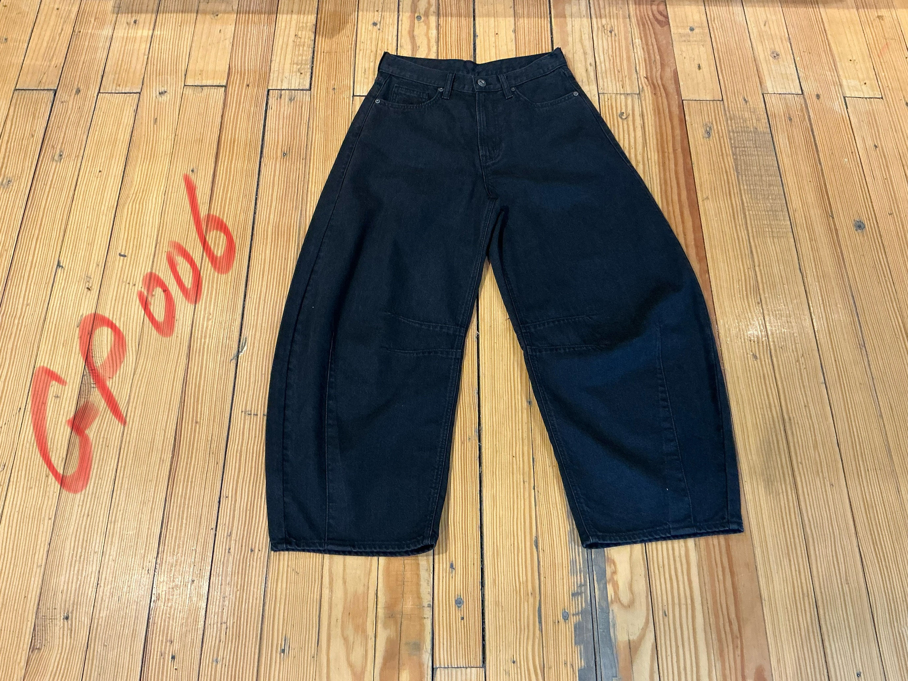
dcr
DATE | 2025-04-29 |  |  | WASH:CODE |  | GP.0006
FINISHER:CODE | WW BLK HALS |  |  |  |  | DRYPROCESS.AND WET PROCES
MODEL:CODE | D65090 RELAXED
SAP CODE | 60121212
FABRIC:CODE | ARVID:DENIM LAYS TENCEL PCW
FABRIC:CODE | OD BLACK-1049018
QUANTITY | 3 PCS
ROLL:CODE | ROLL:637510
FAB. WEIGHT
UNITS
TYPE MACHINE
DRYING TIME (Min.) :
COMMENTS:
PAGE |  |  |  | WASH:SUPERVISOR:ATIF HOSSAM
 | E | of | 1 |  |  |  | Supplier | PH Value
ACTION | TIME | TEMP | Liters | AMT | UNITS | Chemicals
 | WASH ASPER.ORJ

DESIZE | 10 | 40 | 150 | 1 | GRM | LAVA SPERSE
RINSE X2 | 2 |  | 150 | 1 | GRM | LUBRICANT

COMBO ENZYM | 25 | 40 | 20 | 2 | GRM | NEUTRAL.ENZYM.ROYA ZYME
RINSE | 2 | RT | 150 | 0,5 | GRM | ROCELL NTE NEUTRAL ENZYM

BLEACH | 3 | 50 | 150 | 1,500 | K/G | PEROXIDE
 |  |  |  | 50 | GRM | COUSTIC
RINSE | 2 | RT | 150 | 100 | GRM | NEAR CAND OP EXTRA

WASH SOFT | 5 | 35 | 150 | 2 | K/G | NEARSopht/WO3
EXTRACT&DRY |  |  |  | 75 | GRM | A.ACID. PH/5

